Stream 19 - Contamination
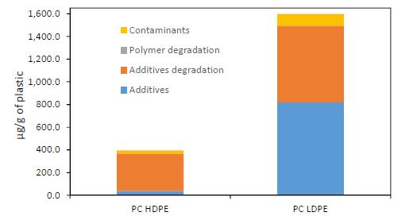
Chemicals found in PC plastic | PC HDPE Concentration (Approx μg/g) | % in PC HDPE | PC LDPE Concentration (Approx μg/g) | % in PC LDPE
Contaminants | 30 | 0.003 | 100 | 0.01
Polymer degradation products | 0 | 0 | 0 | 0
Additive degradation products | 330 | 0.033 | 700 | 0.07
Additives | 30 | 0.003 | 800 | 0.08

Chemicals found in PC plastic | Typical % | Average %
Contaminants | 0.003 - 0.01 | 0.0065
Polymer degradation products | 0 | 0
Additive degradation products | 0.033 - 0.07 | 0.0515
Additives | 0.003 - 0.08 | 0.0415

Stream 19 Additive Contamination Calculation | Stream 16 | Stream 16 Composition | Stream 19 (Assuming constant ratio lost)
Plasticizer | 952,521 | 0.3149 | 338709 |  | O. Horodytska, A. Cabanes, and A. Fullana, “Non-intentionally added substances (NIAS) in recycled plastics,” Chemosphere, vol. 251, p. 126373, Jul. 2020, doi: 10.1016/j.chemosphere.2020.126373.
Flame Retardant | 180,207 | 0.0596 | 64080
UV/Heat Stabilizer | 226,717 | 0.0750 | 80619
Antioxidant | 90,532 | 0.0299 | 32193
Slip Agents | 13,301 | 0.0044 | 4730
Lubricants | 9,525 | 0.0031 | 3387
Antistatics | 17,506 | 0.0058 | 6225
Curing Agents | 9,525 | 0.0031 | 3387
Blowing Agents | 47,626 | 0.0157 | 16935
Biocides | 95 | 0.0000 | 34
Colorant | 44,194 | 0.0146 | 15715
Organic Pigment | 259 | 0.0001 | 92
Clarifier/Toner | 2,664 | 0.0009 | 947
Inorganic Pigments | 953 | 0.0003 | 339
Fillers | 95 | 0.0000 | 34
Reinforcement | 1,428,781 | 0.4724 | 508064
Total Additive | 3,024,502 | 1 | 1,075,490

